1. Title Page
Instacart Grocery Basket Analysis

Project Name: Instacart Grocery Basket Analysis
Date: 2/22/22
Analyst Name: Cody Boyd

Contents:
Population Flow
Consistency checks
Wrangling steps
Column derivations
Visualizations
Recommendations

Objective: | Instacart already has very good sales, but they want to uncover more information about their sales patterns.
 | Perform an initial data and exploratory analysis of some of their data in order to derive insights and
 | suggest strategies for better segmentation based on the provided criteria.

Context: | The Instacart stakeholders are most interested in the variety of customers in their database along with their
 | purchasing behaviors. They assume they can't target everyone using the same methods, and they’re considering
 | a targeted marketing strategy. They want to target different customers with applicable marketing campaigns to
 | see whether they have an effect on the sale of their products. Your analysis will inform what this strategy might
 | look like to ensure Instacart targets the right customer profiles with the appropriate products.

Data Citation: “The Instacart Online Grocery Shopping Dataset 2017”, Accessed from https://www.instacart.com/datasets/grocery-shopping-2017 on January 24, 2022.

 | Note: The "customer" data frame , as well as the “prices” column in the "products" data frame, were both fabricated for educational purposes only.

2. Population Flow
Population flow

Exclusion flag
Condition: max_order < 5
Obervations to be removed: 1,441,548
Final total count of order_products_all: 30,992,664

Orders_products_combined
Orders_products_merged
Orders_products_all

Total: 32,484,161
Total: 32,434,489
Total: 32,690, 370

3. Consistency checks
Consistency checks

Dataset | Missing values | Missing values treatment | Duplicates
orders | 206,209 NaN in "days_since_prior_order" | None: Assumed that these values are related to new customers | n/a
products | 16 NaN in "product_name" | Removed rows with missing product names | Removed 5 duplicate rows
orders_products_prior | n/a | n/a | n/a
customers | n/a | n/a | n/a
final_df | Product prices >$100 | Changed to NaN, as there were a number of product prices as high as 99,999 | n/a

4. Wrangling steps
Wrangling steps

Data set | Columns dropped | Columns renamed | Columns' type changed | Comment/Reason
orders | eval_set |  |  | Not needed for analysis
orders |  |  | order_id to string
orders |  |  | user_id to string
orders |  | order_dow--> orders_day_of_week |  | More intuitive column name
orders |  | order_hour_of_day--> orders_time |  | Temp-more intuitive column name
customers | First name |  |  | Pii- Personally identifiable data
customers | Surname |  |  | Pii- Personally identifiable data
customers |  | Gender-->gender |  | Consistency with other variables
customers |  | STATE-->state |  | Consistency with other variables
customers |  | n_dependants--> number_of_dependants
customers |  | Age-->age |  | Consistency with other variables
df_orders_products_combined | _merge |  |  | Not needed after merging df
df_orders_products_merged | Unnamed: 0 |  |  | Not needed for analysis

5. Column derivations
Column derivations and aggregations

Dataset | New column | Column/s it was derived from | Conditions
df_ords_prods_merged | price_range_loc | prices | <5 then 'Low-range product' between 5 and 15 then 'Mid-range product' >15 then 'High-range product'
df_ords_prods_merged | busiest_day | orders_day_of_week | If day of the week = 0 then 'Busiest day' If day of the week = 4 then 'Least busy' Else 'Regularly busy'
df_ords_prods_merged | busiest_days | orders_day_of_week | If day of the week = 0 & 1 then 'Busiest_days' If day of the week = 3 & 4 then 'Slowest_days' Else 'Regularly busy'
df_ords_prods_merged | busiest_period_of_day | order_hour_of_day | >=10 and <=17 then 'most_orders' <=1 then 'fewest_orders' Else 'average_orders'
df_ords_prods_merge | loyalty_flag | max_order | >40 then 'loyal customer' else if between 11 and 40 then 'Regular customer' <=10 then 'New customer'
df_ords_prods_merged | spending | user_id / prices | Average price per user
df_ords_prods_merged | spending_flag | spending | 10 or higher then 'High Spender' <10 then 'Low Spender'
df_ords_prods_merged | frequency | user_id / days_since_prior_order | Median days since last order
df_ords_prods_merged | frequency_flag | frequency | >20 then 'non-frequent customer' If between 10 and 20 then 'regular customer' <=10 then 'frequent customer'
df_opc_merged_2 | parental_status | number_of_dependants | <=1 = 'parent', 0 = 'non-parent'
df_opc_merged_2 | Region | state | Categorize customer state by region based on lists
df_opc_merged_2 | activity_flag | max_order | Categorize customers based on max order
df_opc_merged_2 | Generation | age | Categorize customers by generation based on age
df_opc_merged_2 | Income Bracket | income | Categorize customers by generation based on income brackets
df_opc_merged_2 | Cust_profile | Income Bracket / Generation / number_of_dependents | Categorize customers by pre-defined profiles based on age, income, and number of dependents

6. Visualizations
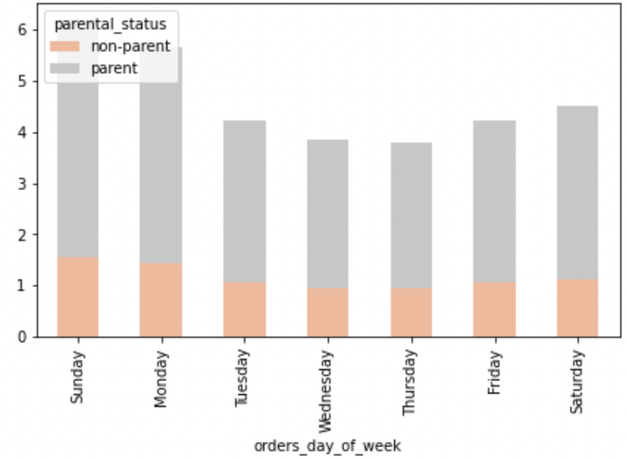
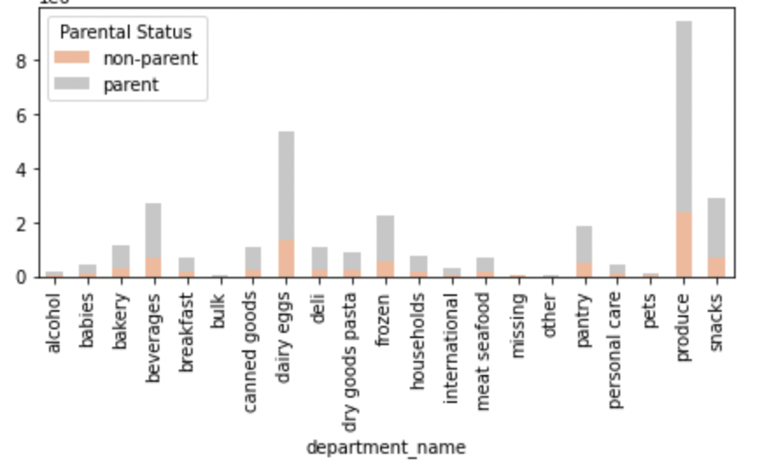
Visualizations

Question
Key Question 1 | What are the busiest days of the week and hours of the day?
Key Question 2 | Are there particular times of the day when people spend the most money?
Key Question 3 | Marketing and sales want to use simpler price range groupings.
Key Question 4 | Are there types of products that are more popular than others? (Which department has the highest number of product orders?)
Key Question 5 | The marketing and sales teams are particularly interested in the different types of customers in their system and how their ordering behaviors differ
5a | a. What's the distribution among users in regards to their brand loyalty?
5b | b. Are there differences in ordering habits based on a customer’s loyalty status?
5c | c. Are there differences in ordering habits based on a customer’s region?
5d | d. Is there a connection between age and family status in terms of ordering habits?
5e | e. What different classifications does the demographic information suggest? Age? Income? Certain types of goods? Family status?
5f | f. What differences can you find in ordering habits of different customer profiles?

Answer 1 : The busiest day of the week is Saturday and the most orders occur between 10:00am - 1:00pm.
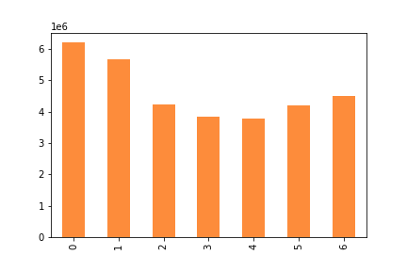
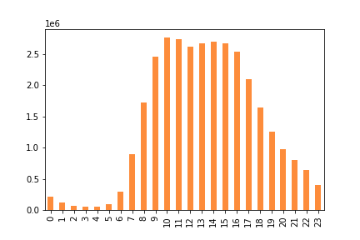

Cumulative orders per weekday (in millions) |  | Cumulative orders per time period (in millions)
0 = Saturday, 1 = Sunday, 2 = Monday, 3 = Tuesday, 4 = Wednesday, 5 = Thursday, 6 = Friday

Answer 2 : Customers spend the most money from 4am - 6am (local time). Customers also spend the most on Friday's and Saturday's.
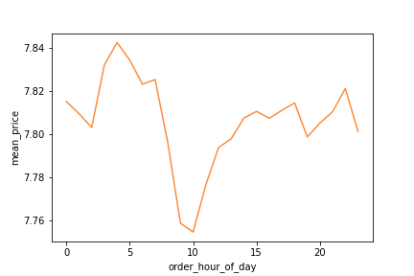
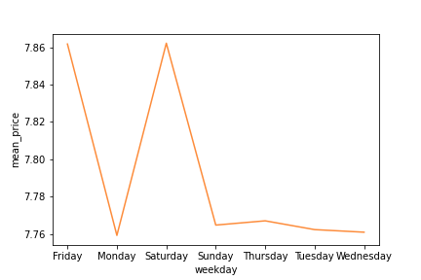

Mean price in dollars per hour of the day. |  | Mean price in dollars per day of the week.

Below you see the top selling departments during the busiest part of the day and busiest weekday.
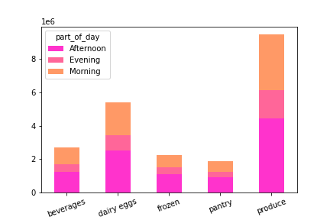
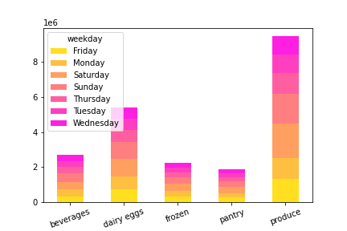

Cumulative orders per time period (in millions) |  | Cumulative orders per time period (in millions)

Answer 3 :
Products are grouped into low-range, mid-range and high-range. 67.5% of items are mid-range products.
The majority of customers buy mid-range priced products with low-range products.

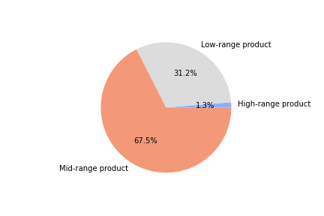
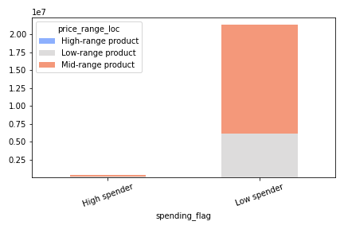

Distribution of low-range, mid-range and high-range products. |  | Customer spending flag by price range | Cumulative orders per time period (in millions)

Answer 4 : Here are the top selling departments by number of orders.

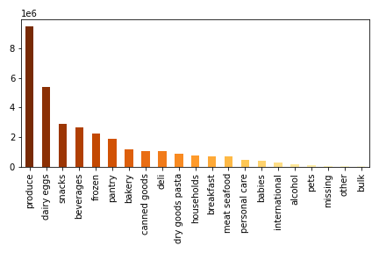

The top 5 selling departments make up 69% of total sales. Out of the top 5 total sales, Produce makes up 43.7% of sales.
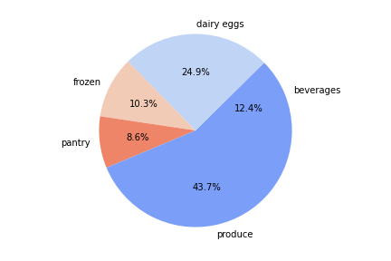

Answer 5a :
The majority of registered customers are made up of Regular customers with Loyal customers being the next largest group.

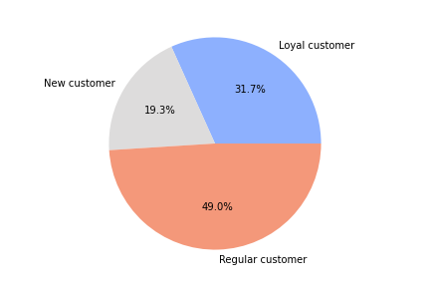

Answer 5b : The frequent customer if made up of a large amount Loyal customers.

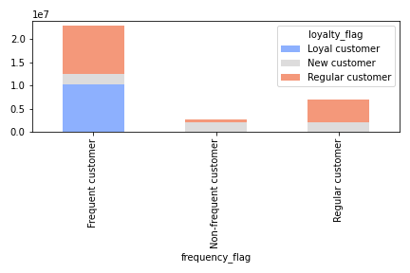

Answer 5c : There are no significant differences in customers' ordering habits based on customer's region.

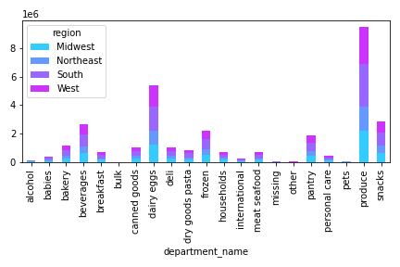
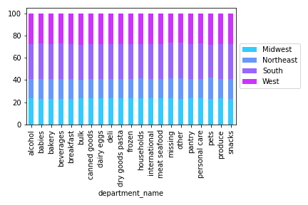

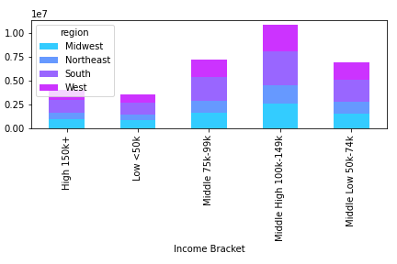
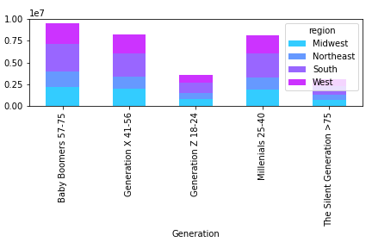

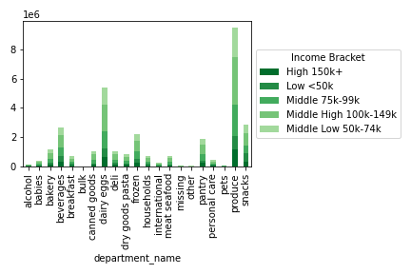
Answer 5d : There are no significant connection between age generation and family status in terms of ordering habits.

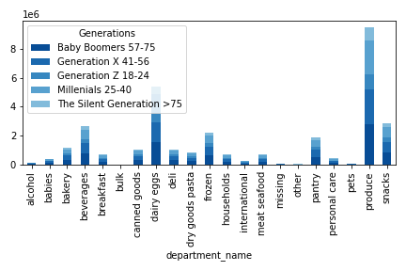

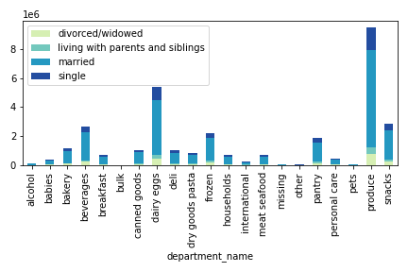
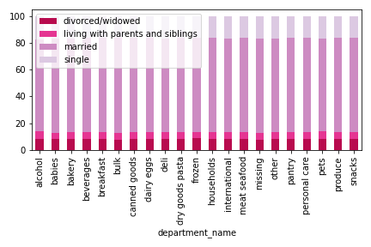

Answer 5e : Classifications of demographics such as age, income, and marriage status can lead to successfully pinpointing high value customers.
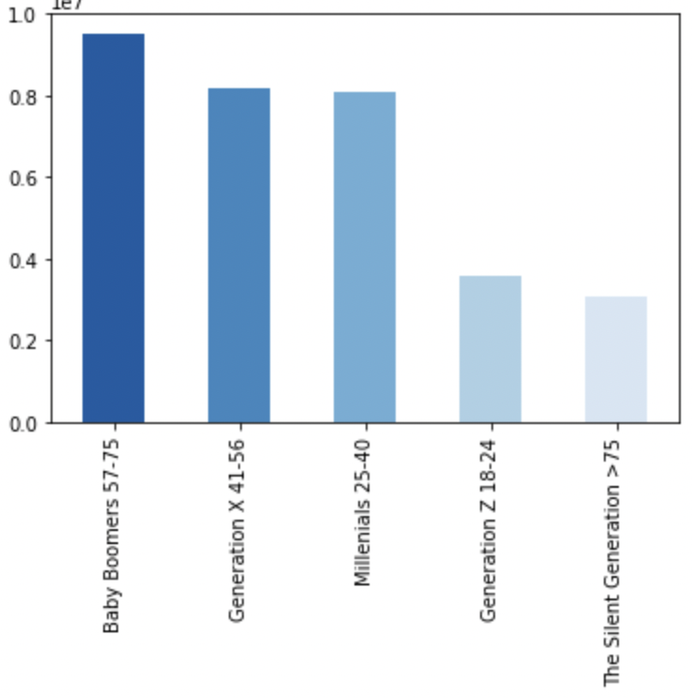
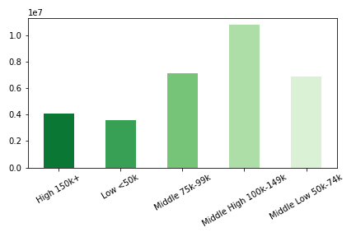

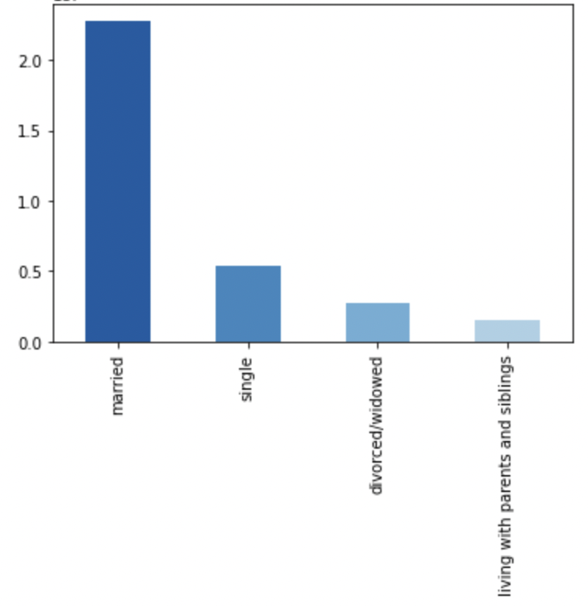

Answer 5f :
Other information regarding different profiles is looking at the spender flag and number of dependents. We see no matter the number of dependents, the customers spending flag does not change.
This is also the same when we look at spending flag and age group. However, we see there are no high spenders in the age groups of 18-20 and 80+.
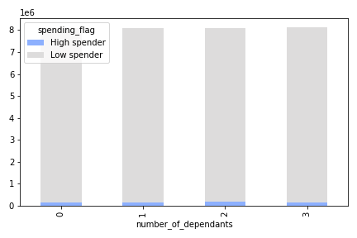
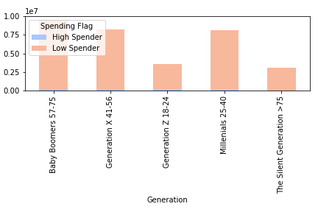

When we look at who is shopping on the weekdays and who is buying the majority of the top selling departments, it is parents.

7. Recommendations
Recommendations

Question | Answer
Key Question 1 | The busiest day of the week is Saturday and the most orders occur between 9:00am - 4:00pm.

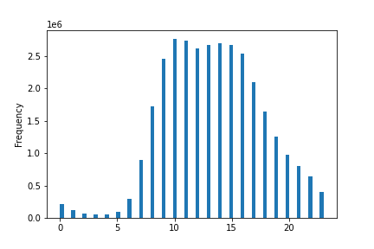
 | Recommendation
 | Schedule ads on Monday - Wednesday in order to generate more business on these days.
 | Pursue marketing channels that will expose customers to ads earlier in the day on Friday's, Saturday's, and Sunday's.

Question | Answer
Key Question 2 | Customers spend the most money from 4am - 6am (local time)

 | Recommendation
 | Advertise in the mornings, especially on the weekends. This would include heavy ads on mobile devices.
 | Advertise the top selling departments with a focus on the top 25 selling items.

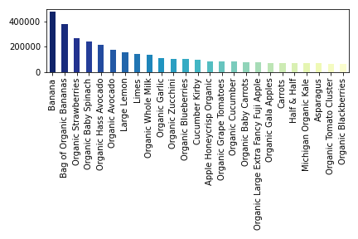

Key Question 3 | Answer
 | Products are grouped into low-range, mid-range and high-range. 67.5% of items are mid-range products.

 | Recommendation
 | Adjust as many products as possible to fall within the mid-range. This should increase sales as mid-range items fall within the majority of customer's budgets.
 | You can focus on adjusting pricing for the top selling departments.

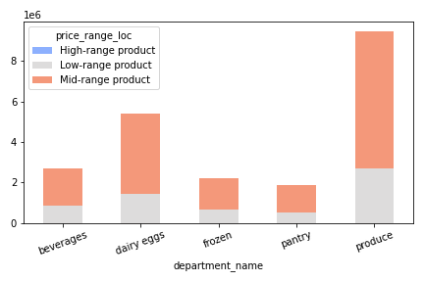

Key Question 4 | Answer
 | Produce is the most popular amongst most customer groups.

 | Recommendation
 | Focus on the top 25 items above.
 | You can also focus on the highest frequency departments below.


Key Question 5 | Answer/Recommendation
 | Focus on ads and retaining Loyal and Regular customers. No need to try and convert Regular to Loyal customers as they shop just as frequent.
 | There are no significant difference in ordering habits based on customer's region so you can focus on nationwide advertising.
 | The mean of prices and order number for all ages is the same for each fam status so there is not significant difference in ordering habits or shopping days.

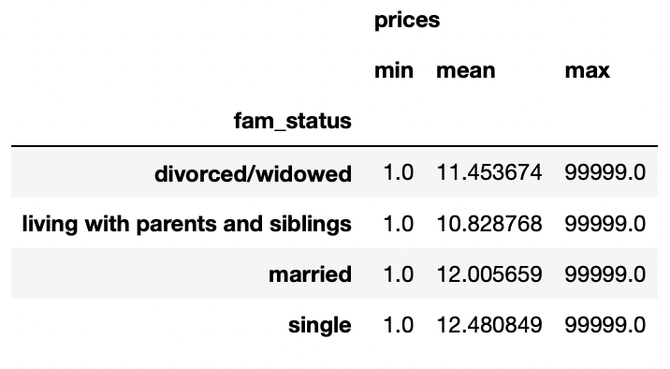
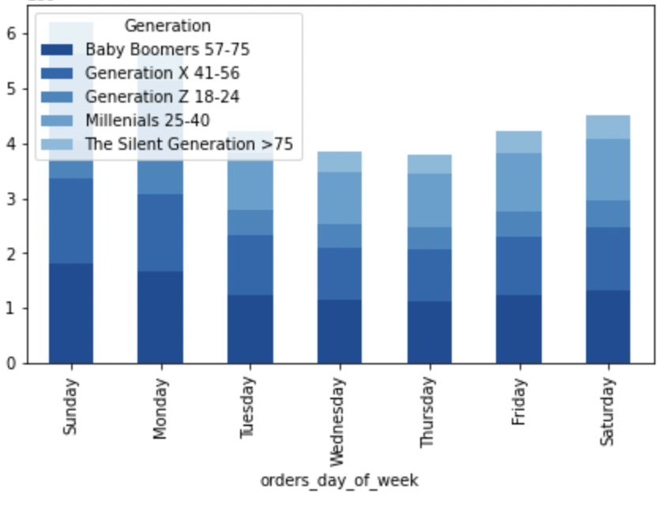

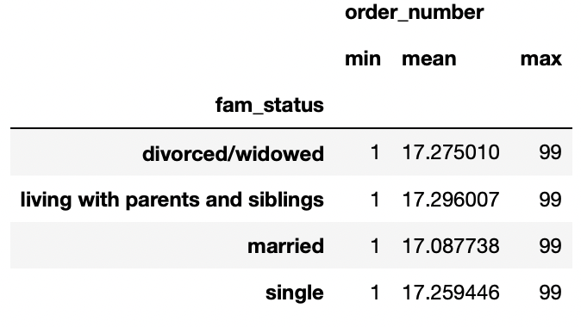

Key Question 6 | Answer
 | Classifications of demographics such as age, income, and marriage status can lead to successfully pinpointing high value customers.

 | Recommendation
 | Your most valuable customer is:
 | Age: 21-80
 | Income: $40k-$160,000
 | Married
 | Both female and males
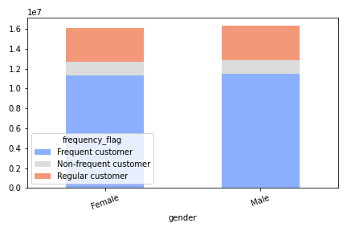

Key Question 7 | Answer
 | Classifications of demographics such as age, income, and marriage status can lead to successfully pinpointing high valued customers.

 | Recommendation
 | One last recommendation is to focus on your one department that sells to all of your customers, all of the time. Produce.

